GUI CGI SPEC
Xmind
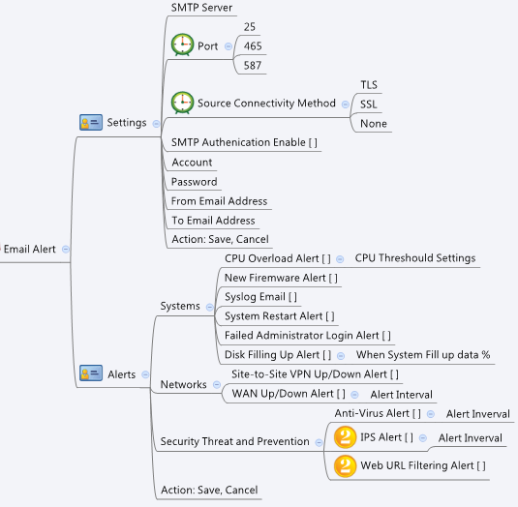

Behavior
gray out Account and Password, if SMTP Authenication Enable is 0
Support 3 receive email address at least. (#1468)
Allow user to change smtp port number but not only 25,465,587. (provide input field) (#1468)

[UI Display Name] | [CGI Name] | [JSON Name] | [Description]
*SMTP Server | emailAlert.cgi | server | ipaddr/domain, length: 63
*Port | emailAlert.cgi | port | (ex. 25/465/587), 1~65535, Default: 25
Secure Connectivity Method | emailAlert.cgi | secureMethod | 0:none, 1:TLS, 2:SSL, Default: 1
SMTP Authenication Enable [ ] | emailAlert.cgi | enableAuth | 0/1, Default: 1
*Account | emailAlert.cgi | account | string, len:63
*Password | emailAlert.cgi | password | string, len:63
*From Email Address | emailAlert.cgi | fromEmail | email, len:63
*To Email Address | emailAlert.cgi | toEmail | email(s), len:63*4, mail receiver format: A@mailA;B@mailB;C@mailC

CPU Overload Alert [ ] | emailAlert.cgi | cpuAlertEnable | 0/1, Default: 0
CPU Threshould Settings | emailAlert.cgi | cpuAlertThreshold | Range: 10-100, Default: 90
New Firemware Alert [ ] | emailAlert.cgi | newFwAlertEnable | 0/1, Default: 0
Syslog Email [ ] | emailAlert.cgi | syslogEmailEnable | 0/1, Default: 0
System Restart Alert [ ] | emailAlert.cgi | restartAlertEnable | 0/1, Default: 0
Failed Administrator Login Alert [ ] | emailAlert.cgi | failLoginAlertEnable | 0/1, Default: 0
Disk Filling Up Alert [ ] | emailAlert.cgi | diskAlertEnable | 0/1, Default: 0
When System Fill up data % | emailAlert.cgi | diskAlertThreshold | Range: 50-100, Default: 90
Site-to-Site VPN Up/Down Alert [ ] | emailAlert.cgi | vpnAlertEnable | 0/1, Default: 0
WAN Up/Down Alert [ ] | emailAlert.cgi | wanAlertEnable | 0/1, Default: 0
Alert Interval | emailAlert.cgi | wanAlertInterval | minutes (Range: 3-1440, Default: 5)
Anti-Virus Alert [ ] | emailAlert.cgi | virusAlertEnable | 0/1, Default: 0
Alert Inverval | emailAlert.cgi | virusAlertInterval | minutes (Range: 3-1440, Default: 30; 0: send in time)
IPS Alert [ ] | emailAlert.cgi | ipsAlertEnable | 0/1, Default: 0
Alert Inverval | emailAlert.cgi | ipsAlertInterval | minutes (Range: 3-1440, Default: 30)
Web URL Filtering Alert [ ] | emailAlert.cgi | urlAlertEnable | 0/1, Default: 0
Schedule Report [ ] | emailAlert.cgi | schReportEnable | 0/1, Default: 0
Schedule Report Interval | emailAlert.cgi | schReportSchDay | 0:Sunday, 1:Monday ... 6:Saturday (, 7:Sunday), Default: 0
Schedule Report Mail Subject | emailAlert.cgi | schReportMailSubject | len:63, [0-9a-zA-Z -_.'[]]

add test button to check smtp setting match with smtp server (#1446) | checkSmtpSetting.cgi |  | POST only (GET is useless)
 | checkSmtpSetting.cgi | server | ipaddr/domain, length: 63
 | checkSmtpSetting.cgi | port | 25/465/587, Default: 25
 | checkSmtpSetting.cgi | secureMethod | 0:none, 1:TLS, 2:SSL, Default: 1
 | checkSmtpSetting.cgi | enableAuth | 0/1, Default: 1
 | checkSmtpSetting.cgi | account | string, len:31
 | checkSmtpSetting.cgi | password | string, len:31
 | checkSmtpSetting.cgi | fromEmail | email, len:63
 | checkSmtpSetting.cgi | toEmail | email, len:63
POST response
 | checkSmtpSetting.cgi | smtpErrorCode | POST response, int, 0: OK, others: Fail
 | checkSmtpSetting.cgi | smtpErrorMsg | POST response, len:256

JSON String
## cgi name ## emailAlert.cgi ## GET/POST for get/set settings ## { "server":"smtp.gmail.com", "port":"587", "secureMethod":"1", "enableAuth":"1", "account":"gmailsender", "password":"gsendermail", "fromEmail":"gmailsender@gmail.com", "toEmail":"receiver@gmail.com", "cpuAlertEnable":"1", "cpuAlertThreshold":"90", "newFwAlertEnable":"1", "restartAlertEnable":"1", "failLoginAlertEnable":"1", "diskAlertEnable":"1", "diskAlertThreshold":"90", "vpnAlertEnable":"1", "wanAlertEnable":"1", "wanAlertInterval":"5", "virusAlertEnable":"1", "virusAlertInterval":"30", "ipsAlertEnable":"1", "ipsAlertInterval":"30", "urlAlertEnable":"1", "schReportEnable":1, "schReportSchDay":6, "schReportMailSubject":"My Weekly Report" } |  |  | ## cgi name ## checkSmtpSetting.cgi ## POST to check settings ## { "server":"smtp.gmail.com", "port":"587", "secureMethod":"1", "enableAuth":"1", "account":"gmailsender", "password":"gsendermail", "fromEmail":"gmailsender@gmail.com", "toEmail":"receiver@gmail.com" } ## POST response : check OK ## { "smtpErrorCode": 0, "smtpErrorMsg": "N\/A", "status": 0, "msg": "Success", "duration": 0 } ## POST response : check Fail ## { "smtpErrorCode": 77, "smtpErrorMsg": "authentication failed (method LOGIN) server message: 535-5.7.8 Username and Password not accepted. Learn more at server message: 535 5.7.8 http:\/\/support.google.com\/mail\/bin\/answer.py?answer=14257 qz9sm9032366pbc.3 - gsmtp", "status": 0, "msg": "Success", "duration": 0 }

